records
Sample Measurement Record
Mano Engineering LLC |  |  |  |  |  |  |  |  |  | Part No. ADDA-0619
No. | A | B | C | D | E | F | G | H | I
1 | 1.2595 | 0.4990 | 15.75 | 1.0125 | 4.5055 | 4.7535 | 4.5035 | 0.5045 | 0.447
2 | 1.2735 | 0.4915 | 15.75 | 1.029 | 4.5085 | 4.7505 | 4.5095 | 0.515 | 0.4485
3 | 1.2790 | 0.5195 | 15.75 | 1.027 | 4.502 | 4.7655 | 4.506 | 0.504 | 0.442
4 | 1.2685 | 0.5120 | 15.75 | 1.0315 | 4.5025 | 4.754 | 4.5185 | 0.5005 | 0.4425
5 | 1.2810 | 0.52 | 15.75 | 1.0105 | 4.5095 | 4.754 | 4.52 | 0.511 | 0.454

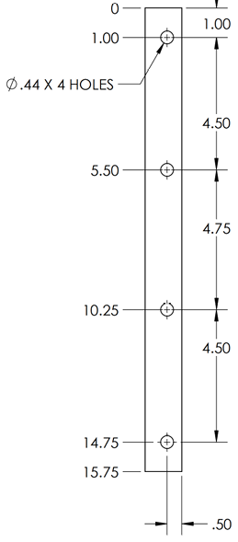
D
A
I
B
E

F

C
G

H

